Overview
Numbers in Section (9) of each tab include power plant infrastructure emissions, but impact to coal/NG/oil to power LC GHGs is very small
Stationary and transportation use-based emissions data are the same power power generation in GREET
T&D loss is set to 0%, so "wall-outlet" emissions are the same with power plant emissions
Results
 | 10.2) Electricity Generation Mix
 |  | 10.2.a) Selection of Electricity Generation Mix for Transportation Use
 |  |  | Mix for transportation use | 1 | 1 | U.S. Mix
 |  |  | Mix for stationary use | 1 | 2 | ASCC Mix
Back to Top
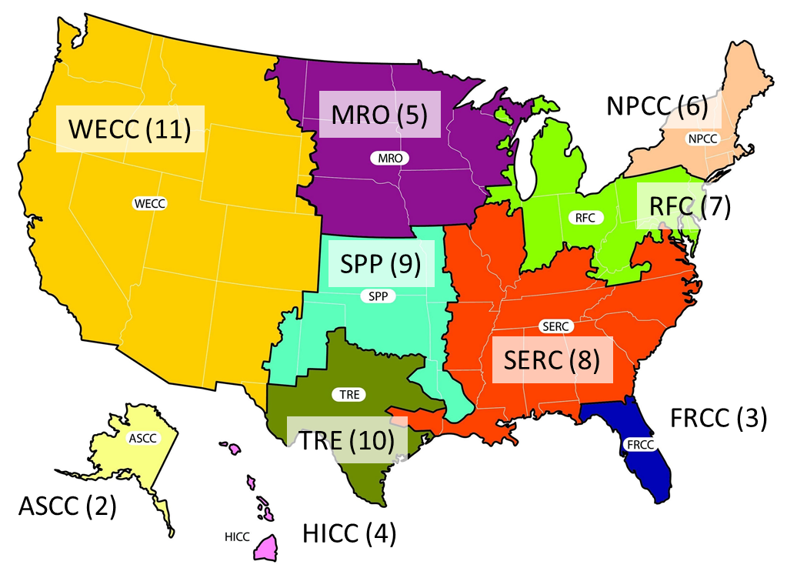
 |  |  |  |  | 3 | FRCC Mix
 |  |  |  |  | 4 | HICC Mix
 |  |  |  |  | 5 | MRO Mix
 |  |  |  |  | 6 | NPCC Mix
 |  |  |  |  | 7 | RFC Mix
 |  |  |  |  | 8 | SERC Mix
 |  |  |  |  | 9 | SPP Mix
 |  |  |  |  | 10 | TRE Mix
 |  |  |  |  | 11 | WECC Mix
 |  |  |  |  | 12 | CA Mix
 |  |  |  |  | 13 | User Defined Mix
 |  |  |  |  | 14 | NG Power Plants | (transportation only)
 |  |  |  |  | 15 | Coal Power Plants | (transportation only)
 |  |  |  |  | 16 | Nuclear Power Plants | (transportation only)
 |  |  |  |  | 17 | Hydro Power Plants | (transportation only)
 |  |  |  | (U.S. EPA) | 18 | NGCC Turbine | (transportation only)
 |  |  |  |  | 19 | Geothermal | (transportation only)
 |  | 10.2.b) Electric Generation Mixes: Data Table for Use in GREET (From Annual Energy Outlook 2019)
 |  |  |  | U.S. Mix |  | ASCC Mix |  | FRCC Mix |  | HICC Mix |  | MRO Mix |  | NPCC Mix |  | RFC Mix |  | SERC Mix |  | SPP Mix |  | TRE Mix |  | WECC Mix |  | CA Mix |  | User Defined
 |  |  |  | Transportation | Stationary | Transportation | Stationary | Transportation | Stationary | Transportation | Stationary | Transportation | Stationary | Transportation | Stationary | Transportation | Stationary | Transportation | Stationary | Transportation | Stationary | Transportation | Stationary | Transportation | Stationary | Transportation | Stationary | Transportation | Stationary
 |  |  | Residual oil | 0.4% | 0.4% | 13.6% | 13.6% | 0.2% | 0.2% | 67.6% | 67.6% | 0.3% | 0.3% | 0.3% | 0.3% | 0.2% | 0.2% | 0.2% | 0.2% | 1.7% | 1.7% | 0.1% | 0.1% | 0.2% | 0.2% | 0.0% | 0.0% | 0.4% | 0.4%
 |  |  | Natural gas | 33.4% | 33.4% | 49.8% | 49.8% | 67.3% | 67.3% | 0.0% | 0.0% | 10.3% | 10.3% | 42.0% | 42.0% | 26.1% | 26.1% | 35.4% | 35.4% | 28.8% | 28.8% | 49.4% | 49.4% | 24.5% | 24.5% | 40.9% | 40.9% | 33.4% | 33.4%
 |  |  | Coal | 29.0% | 29.0% | 8.6% | 8.6% | 16.6% | 16.6% | 14.0% | 14.0% | 47.7% | 47.7% | 2.7% | 2.7% | 38.6% | 38.6% | 30.7% | 30.7% | 34.1% | 34.1% | 24.3% | 24.3% | 19.0% | 19.0% | 2.1% | 2.1% | 29.0% | 29.0%
 |  |  | Nuclear power | 20.3% | 20.3% | 0.0% | 0.0% | 13.0% | 13.0% | 0.0% | 0.0% | 10.6% | 10.6% | 32.6% | 32.6% | 30.0% | 30.0% | 28.5% | 28.5% | 3.8% | 3.8% | 10.7% | 10.7% | 5.1% | 5.1% | 9.6% | 9.6% | 20.3% | 20.3%
 |  |  | Biomass | 0.3% | 0.3% | 0.7% | 0.7% | 0.3% | 0.3% | 3.0% | 3.0% | 0.4% | 0.4% | 1.6% | 1.6% | 0.1% | 0.1% | 0.4% | 0.4% | 0.0% | 0.0% | 0.0% | 0.0% | 0.5% | 0.5% | 1.1% | 1.1% | 0.3% | 0.3%
 |  |  | Others | 16.5% | 16.5% | 27.4% | 27.4% | 2.6% | 2.6% | 15.4% | 15.4% | 30.7% | 30.7% | 21.0% | 21.0% | 5.0% | 5.0% | 4.8% | 4.8% | 31.6% | 31.6% | 15.5% | 15.5% | 50.7% | 50.7% | 46.3% | 46.3% | 16.5% | 16.5%
 |  | 10.2.c) Electric Generation Mixes for GREET Simulations
 |  |  |  | Mix for Transportation Use | Mix for Stationary Use
 |  |  | Residual oil | 0.4% | 0.4%
 |  |  | Natural gas | 33.4% | 33.4%
 |  |  | Coal | 29.0% | 29.0%
 |  |  | Nuclear power | 20.3% | 20.3%
 |  |  | Biomass | 0.3% | 0.3%
 |  |  | Others | 16.5% | 16.5%
 |  | 10.2.d) Shares of Technologies for Other Power Plants: Data Table for Use in GREET (From Annual Energy Outlook 2019)
 |  |  |  | U.S. Mix |  | ASCC Mix |  | FRCC Mix |  | HICC Mix |  | MRO Mix |  | NPCC Mix |  | RFC Mix |  | SERC Mix |  | SPP Mix |  | TRE Mix |  | WECC Mix |  | CA Mix |  | User Defined
 |  |  |  | Transportation | Stationary | Transportation | Stationary | Transportation | Stationary | Transportation | Stationary | Transportation | Stationary | Transportation | Stationary | Transportation | Stationary | Transportation | Stationary | Transportation | Stationary | Transportation | Stationary | Transportation | Stationary | Transportation | Stationary | Transportation | Stationary
 |  |  | Hydroelectric | 43.0% | 43.0% | 92.1% | 92.1% | 26.0% | 26.0% | 4.4% | 4.4% | 16.0% | 16.0% | 71.8% | 71.8% | 24.4% | 24.4% | 59.9% | 59.9% | 10.6% | 10.6% | 1.5% | 1.5% | 65.0% | 65.0% | 41.5% | 41.5% | 43.0% | 43.0%
 |  |  | Geothermal | 2.5% | 2.5% | 0.0% | 0.0% | 0.0% | 0.0% | 21.4% | 21.4% | 0.0% | 0.0% | 0.0% | 0.0% | 0.0% | 0.0% | 0.0% | 0.0% | 0.0% | 0.0% | 0.0% | 0.0% | 4.1% | 4.1% | 9.7% | 9.7% | 2.5% | 2.5%
 |  |  | Wind | 41.4% | 41.4% | 7.9% | 7.9% | 0.0% | 0.0% | 35.2% | 35.2% | 81.0% | 81.0% | 15.8% | 15.8% | 57.3% | 57.3% | 13.6% | 13.6% | 88.2% | 88.2% | 92.6% | 92.6% | 18.1% | 18.1% | 16.1% | 16.1% | 41.4% | 41.4%
 |  |  | Solar PV | 10.1% | 10.1% | 0.0% | 0.0% | 32.4% | 32.4% | 11.5% | 11.5% | 1.9% | 1.9% | 3.9% | 3.9% | 5.7% | 5.7% | 21.2% | 21.2% | 1.1% | 1.1% | 5.0% | 5.0% | 11.7% | 11.7% | 30.6% | 30.6% | 10.1% | 10.1%
 |  |  | Others | 3.0% | 3.0% | 0.0% | 0.0% | 41.6% | 41.6% | 27.5% | 27.5% | 1.1% | 1.1% | 8.5% | 8.5% | 12.6% | 12.6% | 5.4% | 5.4% | 0.1% | 0.1% | 0.9% | 0.9% | 1.0% | 1.0% | 2.2% | 2.2% | 3.0% | 3.0%
 |  | 10.2.e) Shares of Technologies for Other Power Plants for GREET Simulations
 |  |  |  | Mix for Transportation Use | Mix for Stationary Use
 |  |  | Hydroelectric | 43.0% | 43.0%
 |  |  | Geothermal | 2.5% | 2.5%
 |  |  | Wind | 41.4% | 41.4%
 |  |  | Solar PV | 10.1% | 10.1%
 |  |  | Others | 3.0% | 3.0%

